Gameweek 31
Predicting the Result |  |  |  |  |  |  | Model | Count Exact outcome occuring | Recommended punts (£1 stake)
Team | Model 1 | Model 2 | Betway | Tipico | Model | Outcome occuring | Model 1 | 326.21 | Game | Team Predicted | Odds | Return | Money count
Gameweek 31 |  |  |  |  |  |  | Model 2 | 328 | MCI vs LEE | Leeds | 10 | 10 | 10
Man City vs Leeds |  |  |  |  | Model 1 | 18.34 | Betway | 313.44 | CRY vs CHE | Crystal Palace | 7.5 | -1 | 9
Home win | 68.7 | 65 | 72.99 | 74.07 | Model 2 | 16 | Tipico | 319.11 | BUR vs NEW | Newcastle | 3.3 | 3.3 | 12.3
Away win (FTR) | 18.34 | 16 | 14.29 | 12.5 | Betway | 14.29 |  |  | SHU vs ARS | Sheffield | 4.2 | -1 | 11.3
Draw | 12.96 | 19 | 19 | 19.23 | Tipico | 12.5 |  |  |  |  |  |  | £11.30
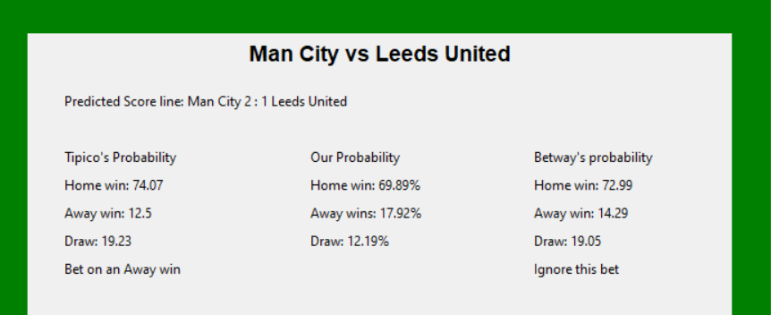
Liverpool vs Aston Villa |  |  |  |  | Model 1 | 64.73
Home win (FTR) | 64.73 | 77 | 65.36 | 66.67 | Model 2 | 77
Away win | 21.05 | 16 | 17.39 | 16.67 | Betway | 65.36
Draw | 14.22 | 7 | 23.09 | 22.73 | Tipico | 66.67
Crystal Palace vs Chelsea |  |  |  |  | Model 1 | 56.6
Home win | 25.6 | 23 | 14.29 | 13.33 | Model 2 | 57
Away win (FTR) | 56.6 | 57 | 68.03 | 68.97 | Betway | 68.03
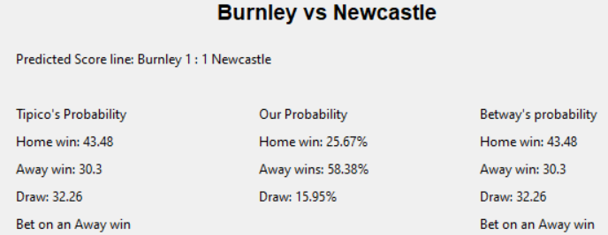
Draw | 17.8 | 20 | 23.09 | 23.26 | Tipico | 68.97
Burnley vs Newcastle |  |  |  |  | Model 1 | 58.38
Home win | 25.67 | 38 | 43.48 | 43.48 | Model 2 | 38
Away win (FTR) | 58.38 | 38 | 30.3 | 30.3 | Betway | 30.3
Draw | 15.95 | 24 | 32.26 | 32.26 | Tipico | 30.3
West Ham vs Leicester |  |  |  |  | Model 1 | 33.05
Home win (FTR) | 33.05 | 34 | 32.26 | 34.48 | Model 2 | 34
Away win | 48.07 | 36 | 43.48 | 41.67 | Betway | 32.26
Draw | 18.88 | 30 | 29.41 | 29.41 | Tipico | 34.48
Tottenham vs Man United |  |  |  |  | Model 1 | 37.68
Home win | 35.11 | 35 | 34.84 | 34.48 | Model 2 | 39
Away win (FTR) | 37.68 | 39 | 40.5 | 41.67 | Betway | 40.5
Draw | 27.21 | 26 | 30.77 | 29.41 | Tipico | 41.67
Sheffield United vs Arsenal |  |  |  |  | Model 1 | 57.43
Home win | 24.75 | 11 | 16.67 | 15.38 | Model 2 | 67
Away win (FTR) | 57.43 | 67 | 62.7 | 64.52 | Betway | 62.7
Draw | 17.82 | 22 | 26.32 | 26.32 | Tipico | 64.52

Probability AVG | 100 | 100 | 105.735 | 105.875

Gameweek 32
Predicting the Result |  |  |  |  |  |  | Model | Count Exact outcome occuring | Recommended punts (£1 stake)
Team | Model 1 | Model 2 | Betway | Tipico | Model | Outcome occuring | Model 1 | 329.92 | Game | Team Predicted | Odds | Return + £ stake | Money count
Gameweek 32 |  |  |  |  |  |  | Model 2 | 340 | NEW vs WHU | Newcastle | 3.6 | 3.6 | 3.6
Newcastle vs West Ham United |  |  |  |  | Model 1 | 40.52 | Betway | 367.85 | WOL vs SHU | Sheffield | 6.4 | -1 | 2.6
Home win (FTR) | 40.52 | 40 | 27.78 | 27.78 | Model 2 | 40 | Tipico | 374.53 | ARS vs FUL | Arsenal | 1.75 | -1 | 1.6
Away win | 41.54 | 34 | 47.62 | 48.78 | Betway | 27.78 |  |  | MUN vs BUR | Burnley | 9.5 | -1 | 0.6
Draw | 17.94 | 26 | 30.3 | 29.41 | Tipico | 27.78 |  |  |  |  |  |  | £0.60
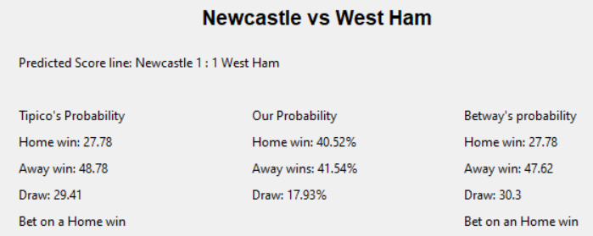
Wolves vs Sheffield |  |  |  |  | Model 1 | 50.04
Home win (FTR) | 50.04 | 48 | 58.82 | 62.5 | Model 2 | 48
Away win | 31.45 | 33 | 18.18 | 15.62 | Betway | 58.82
Draw | 18.51 | 19 | 28.57 | 27.78 | Tipico | 62.5
Arsenal vs Fulham |  |  |  |  | Model 1 | 14.74
Home win | 65.72 | 77 | 57.14 | 58.82 | Model 2 | 16
Away win | 19.54 | 7 | 20 | 20 | Betway | 27.78
Draw (FTR) | 14.74 | 16 | 27.78 | 27.03 | Tipico | 27.03
Man United vs Burnley |  |  |  |  | Model 1 | 59.78
Home win (FTR) | 59.78 | 66 | 72.99 | 76.92 | Model 2 | 66
Away win | 23.59 | 12 | 11.76 | 10.53 | Betway | 72.99
Draw | 16.63 | 22 | 21.05 | 18.87 | Tipico | 76.92
Leeds vs Liverpool |  |  |  |  | Model 1 | 14.09
Home win | 24.51 | 16 | 21.05 | 22.22 | Model 2 | 19
Away win | 61.4 | 65 | 60.24 | 60.61 | Betway | 23.81
Draw (FTR) | 14.09 | 19 | 23.81 | 23.26 | Tipico | 23.26
Chelsea vs Brighton |  |  |  |  | Model 1 | 15.92
Home win | 60.95 | 72 | 63.69 | 63.69 | Model 2 | 20
Away win | 23.13 | 8 | 16.67 | 17.54 | Betway | 25
Draw (FTR) | 15.92 | 20 | 25 | 25 | Tipico | 25
Tottenham vs Southampton |  |  |  |  | Model 1 | 62.55
Home win (FTR) | 62.55 | 63 | 60.24 | 60.61 | Model 2 | 63
Away win | 22.05 | 14 | 21.05 | 20 | Betway | 60.24
Draw | 15.4 | 23 | 23.81 | 25 | Tipico | 60.61
Aston Villa vs Man City |  |  |  |  | Model 1 | 72.28
Home win | 15.24 | 12 | 13.33 | 13.33 | Model 2 | 68
Away win (FTR) | 72.28 | 68 | 71.43 | 71.43 | Betway | 71.43
Draw | 12.48 | 20 | 21.05 | 20.83 | Tipico | 71.43

Probability AVG | 100 | 100 | 105.42 | 105.945

 | 100 | 100 | 105.81 | 105.59

Gameweek 33
Predicting the Result |  |  |  |  |  |  | Model | Count Exact outcome occuring | Recommended punts (£1 stake)
Team | Model 1 | Model 2 | Betway | Tipico | Model | Outcome occuring | Model 1 | 213.74 | Game | Team Predicted | Odds | Return + £ stake | Money count
Gameweek 33 |  |  |  |  |  |  | Model 2 | 243 | LIV vs NEW | Newcastle | 12 | -1 | -1
Liverpool vs Newcastle |  |  |  |  | Model 1 | 14.29 | Betway | 238.88 | SHU vs BRI | Sheffield | 5.5 | 5.5 | 4.5
Home win | 66.96 | 77 | 80 | 81.3 | Model 2 | 16 | Tipico | 238.78 | AVL vs WBA | West Brom | 3.6 | -1 | 3.5
Away win | 18.75 | 7 | 9.09 | 8.33 | Betway | 16.67 |  |  | LEI vs CRY | Crystal Palace | 7.5 | -1 | 2.5
Draw (FTR) | 14.29 | 16 | 16.67 | 15.38 | Tipico | 15.38 |  |  |  |  |  |  | £2.50
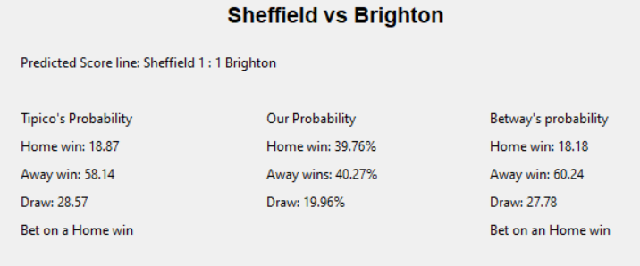
West Ham vs Chelsea |  |  |  |  | Model 1 | 57.62
Home win | 26.56 | 26 | 23.81 | 21.28 | Model 2 | 49
Away win (FTR) | 57.62 | 49 | 54.64 | 57.14 | Betway | 54.64
Draw | 15.82 | 25 | 26.32 | 27.03 | Tipico | 57.14
Sheffield vs Brighton |  |  |  |  | Model 1 | 39.76
Home win (FTR) | 39.76 | 48 | 18.18 | 18.87 | Model 2 | 48
Away win | 40.28 | 33 | 60.24 | 58.14 | Betway | 18.18
Draw | 19.96 | 19 | 27.78 | 28.57 | Tipico | 18.87
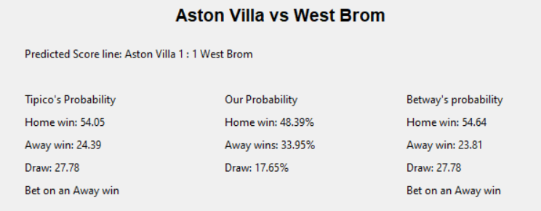
Wolves vs Burnley |  |  |  |  | Model 1 | 35.6
Home win | 45 | 55 | 48.78 | 50 | Model 2 | 17
Away win (FTR) | 35.6 | 17 | 26.32 | 25.64 | Betway | 26.32
Draw | 19.4 | 28 | 30.3 | 30.3 | Tipico | 25.64
Leeds vs Man United |  |  |  |  | Model 1 | 16.44
Home win | 29.01 | 19 | 23.81 | 25.64 | Model 2 | 23
Away win | 54.55 | 58 | 54.64 | 55.56 | Betway | 26.32
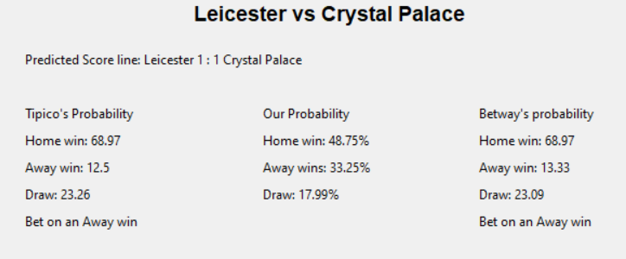
Draw (FTR) | 16.44 | 23 | 26.32 | 25 | Tipico | 25
Aston Villa vs West Brom |  |  |  |  | Model 1 | 17.72
Home win | 49.06 | 39 | 54.64 | 54.05 | Model 2 | 29
Away win | 33.22 | 32 | 23.81 | 24.39 | Betway | 27.78
Draw (FTR) | 17.72 | 29 | 27.78 | 27.78 | Tipico | 27.78
Leicester vs Crystal Palace |  |  |  |  | Model 1 | 48.75
Home win (FTR) | 48.75 | 61 | 68.97 | 68.97 | Model 2 | 61
Away win | 33.25 | 21 | 13.33 | 12.5 | Betway | 68.97
Draw | 18 | 18 | 23.09 | 23.26 | Tipico | 68.97

Probability AVG | 100 | 100 | 105.48875 | 105.4825

 | 100 | 100 | 105.39 | 104.73

Gameweek 34
Predicting the Result |  |  |  |  |  |  | Model | Count Exact outcome occuring | Recommended punts (£1 stake)
Team | Model 1 | Model 2 | Betway | Tipico | Model | Outcome occuring | Model 1 | 271.38 | Game | Team Predicted | Odds | Return + £ stake | Money count
Gameweek 34 |  |  |  |  |  |  | Model 2 | 259 | BRI vs LEE | Leeds | 3.5 | -1 | -1
Crystal Palace vs Man City |  |  |  |  | Model 1 | 74.07 | Betway | 267.99 | EVE vs AVL | Aston Villa | 3.5 | 3.5 | 2.5
Home win | 14.54 | 12 | 11.11 | 10 | Model 2 | 66 | Tipico | 270.94 |  |  |  |  | £2.50
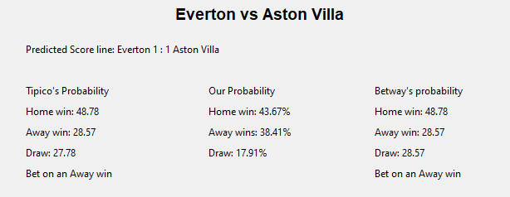
Away win (FTR) | 74.07 | 66 | 75.19 | 76.92 | Betway | 75.19
Draw | 11.39 | 22 | 19.05 | 18.52 | Tipico | 76.92
Brighton vs Leeds |  |  |  |  | Model 1 | 33.96
Home win (FTR) | 33.96 | 48 | 48.78 | 48.78 | Model 2 | 48
Away win | 49.71 | 26 | 27.78 | 28.57 | Betway | 48.78
Draw | 16.33 | 26 | 28.57 | 27.78 | Tipico | 48.78
Chelsea vs Fulham |  |  |  |  | Model 1 | 68.91
Home win (FTR) | 68.91 | 72 | 66.67 | 66.67 | Model 2 | 72
Away win | 17.6 | 18 | 13.33 | 13.33 | Betway | 66.67
Draw | 13.49 | 10 | 25 | 25 | Tipico | 66.67
Everton vs Aston Villa |  |  |  |  | Model 1 | 38.41
Home win | 43.68 | 54 | 48.78 | 48.78 | Model 2 | 24
Away win (FTR) | 38.41 | 24 | 28.57 | 28.57 | Betway | 28.57
Draw | 17.91 | 22 | 28.57 | 27.78 | Tipico | 28.57
Newcastle vs Arsenal |  |  |  |  | Model 1 | 56.03
Home win | 27.54 | 26 | 27.78 | 27.78 | Model 2 | 49
Away win (FTR) | 56.03 | 49 | 48.78 | 50 | Betway | 48.78
Draw | 16.43 | 25 | 28.57 | 27.78 | Tipico | 50

Probability AVG | 100 | 100 | 105.306 | 105.252

